Bug Report
BUG REPORT ID | SUMMARY | STEP TO REPRODUCE | ACTUAL RESULT | EXPECTED RESULT | SEVERITY | PRIORITY | ATTACHMENT
BG-LP-001 | Typo on Sign In Box | 1. Go to Login Page 2. Check for Sign In Box | Wording on Sign In Box is "Sign In" | Wording should be "Sign In" | Low | Low (P2) | 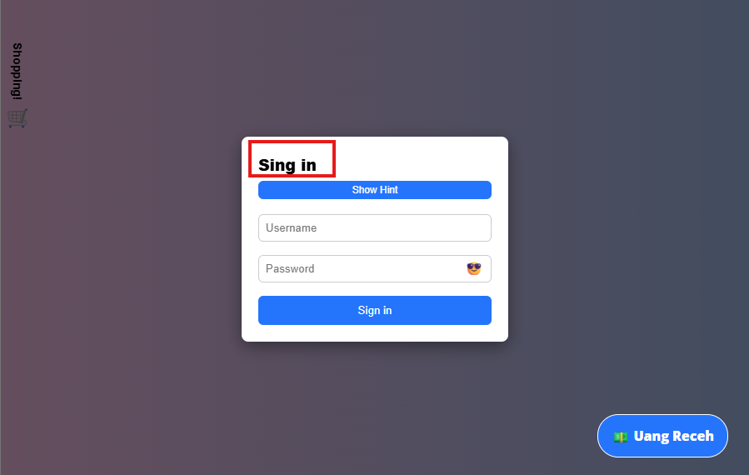
BG-LP-002 | Random Lock Icon show up when zooming In/Out the Login page | 1. Go to Login page 2. Zoom In/Out using browser on the Login Page | There is a random icon displayed | There shouldn't be any lock icon displayed | Low | Low (P2) | 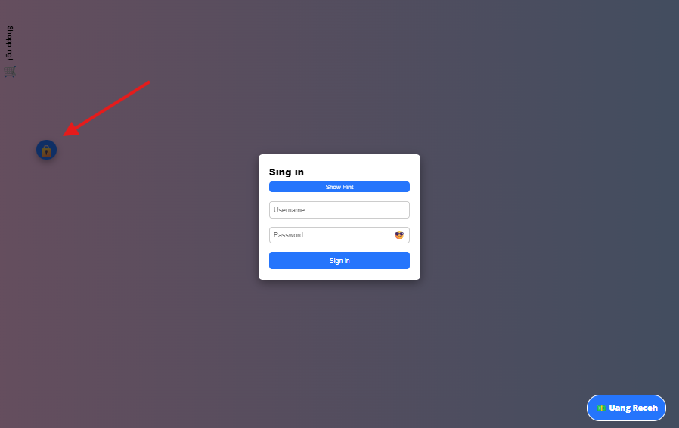
BG-LP-003 | No error message is shown when using invalid Username | 1. Go to Login page 2. Input valid username 3. Input incorrect password | No error message is shown when using an incorrect password | Error message is shown when using an incorrect password | Minor | Medium (P1) | 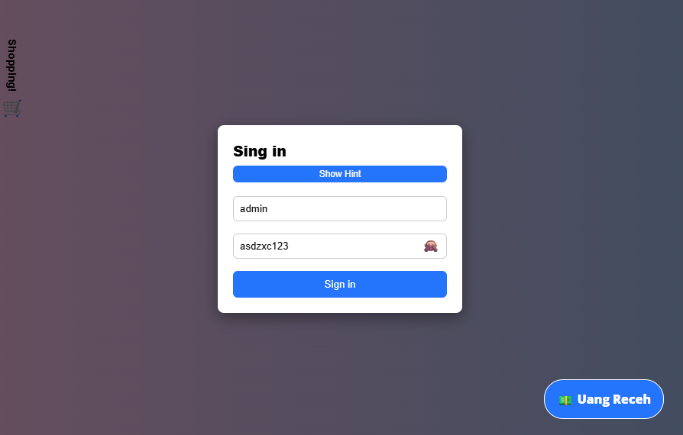
BG-LP-004 | No error message is shown when using invalid Password | 1. Go to Login page 2. Input invalid username 3. Input valid password | No error message is shown when using an invalid Username | Error message is shown when using an invalid Username | Minor | Medium (P1) | 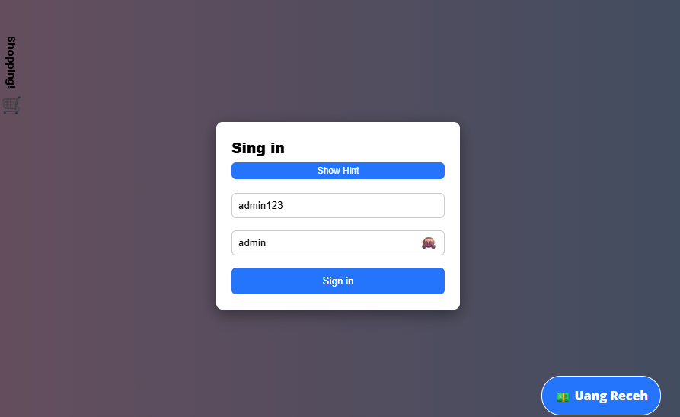
BG-UP-001 | Unclear Logout Button | 1. Already logged in 2. In Users page 3. Notice logout button is just a Lock Icon | Logout button is just a lock icon | Logout button should be using a clear icon (Exit Icon) and have proper wording on it (Logout) | Major | High (P0) | 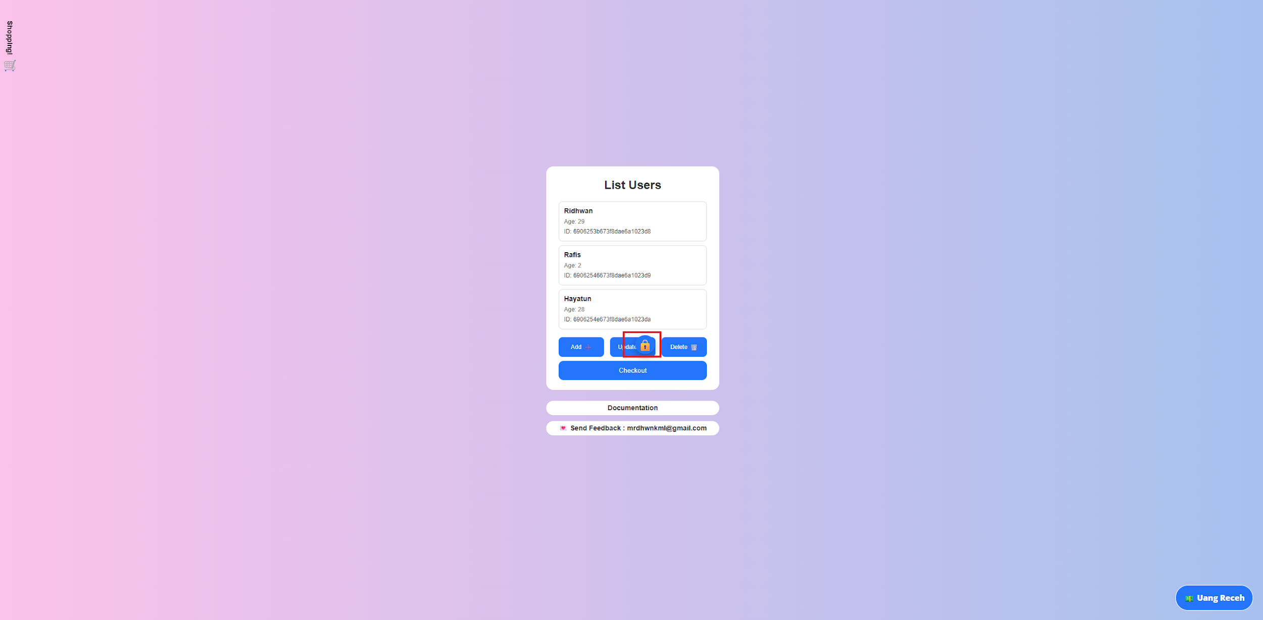
BG-UP-002 | Logout Button placement not fixed | 1. Already logged in 2. In Users page 3. Zoom In/Out using browser | Logout button not in a fixed place and moved depending on how big the resoultion is | Logout button should be on a fixed place | Critical | High (P0) | Unable to find Logout button
 |  |  |  |  |  |  | 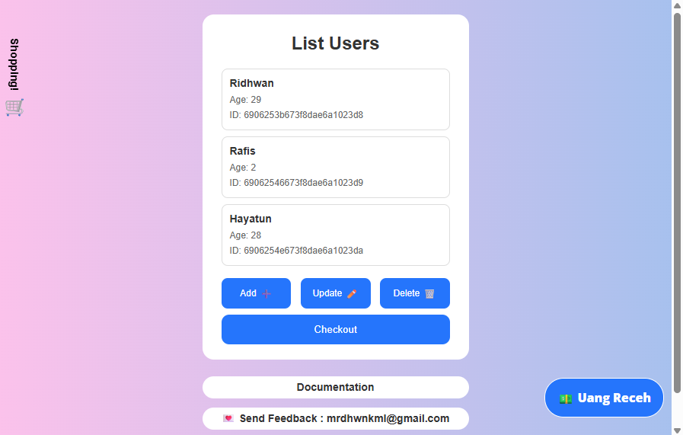
 |  |  |  |  |  |  | Logout button is in front of Update button

BG-UP-003 | Clicking Checkout button redirected to the wrong page | 1. Already logged in 2. Go to Users Page 3. Click Checkout button 4. Observe page redirection | Redirected to the Wrong page | Redirected to Checkout page | Critical | High (P0) | 